Sheet1
Base Weight |  |  |  | Weight of meat |  |  | Food Nutrient
 | Weight(kg) |  |  |  | Weight(kg) |  |  | Nutrient(kg) | Stomach(kg) | rate
Chicken | 10 |  |  | Chicken | 5 |  | Wheat | 0.57 | 0.95 | 0.6
Rabbit | 10 |  |  | Rabbit | 5 |  | Tall Grass | 0.28266666667 | 0.70666666667 | 0.4
Sheep | 100 |  |  | Sheep | 10 |  | Seeds | 0.16 | 0.2 | 0.8
Pig | 100 |  |  | Pig | 10 |  | Hay Bale | 5.13 | 8.55 | 0.6
Donkey | 200 |  |  | Cow | 15 |  | Mushroom | 0.18 | 0.3 | 0.6
Llama | 200 |  |  |  |  |  | Carrots | 0.36 | 0.6 | 0.6
Cow | 500 |  |  |  |  |  | Yellow flower | 0.28266666667 | 0.70666666667 | 0.4
Horse | 500 |  |  |  |  |  | Pumpkin/melon seeds | 0.2 | 0.25 | 0.8
Mule | 350

Required grass per day
weight (kg) | grass (kg / day) | rate | nutrient (kg / s) | stomach (kg) | digest (kg / s) | days to death
10 | 1.0636591794 | 0.10636591794 | 0.0003545530598 | 1.2763910153 | 0.0010636591794 | 11.751884666
100 | 5.9813951249 | 0.059813951249 | 0.001993798375 | 7.1776741499 | 0.0059813951249 | 20.898134531
200 | 10.059467437 | 0.050297337187 | 0.0033531558125 | 12.071360925 | 0.010059467437 | 24.852210274
350 | 15.305711595 | 0.043730604557 | 0.005101903865 | 18.366853914 | 0.015305711595 | 28.584100601
500 | 20 | 0.04 | 0.0066666666667 | 24 | 0.02 | 31.25

1 Kg | = | 2600 Kcal
1 Nutrient | = | 1 Kg

yr to Minecraft days
40
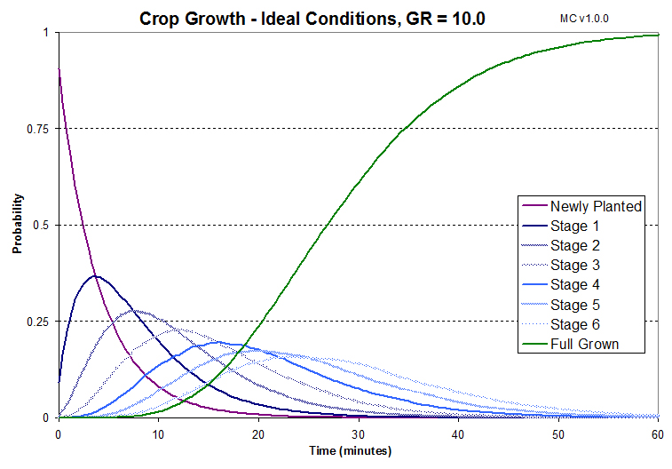
Gap Constant
0.05

Tall Grass Growth
grass / m^2 / yr | ticks | prob1 | prob2
30 | 200 | 0.1 | 0.0625

Pasture Required
pasture (m^2) | weight (kg) | constant | days | yield (kg / m^2 / yr)
6886.7924528 | 500 | 0.04 | 365 | 1.06
26.901533019

Wheat Production in Reality
 | kg / m^2 / yr
grain | 0.3
all | 1

Wheat Production in Minecraft
 | average items per harvest | days to grow | items / m^2 / Minecraft days | items / m^2 / yr
wheat | 1 | 2.5 | 0.4 | 16
seeds | 1.5 | 2.5 | 0.6 | 24

